Sheet1
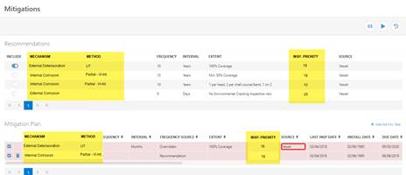

Mechanism | Method | Frequency | Interval | Extent | Insp Priority | Source

